Comparing simulation results
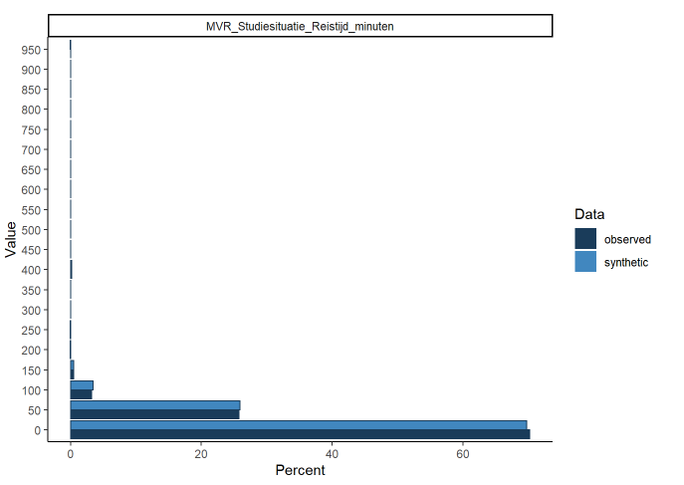
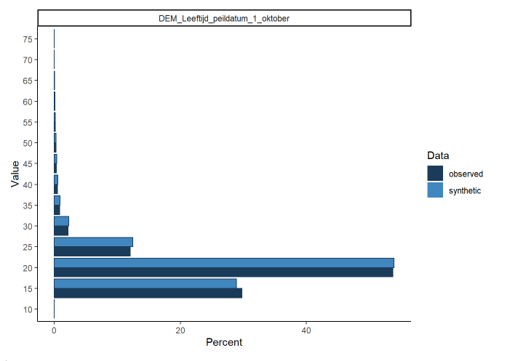
Variable | Variable name | Test | Statistic | P-value | Significant
DEM_Leeftijd_peildatum_1_oktober | age | Kolmogorov-Smirnov test | 0.0088498 | 0.0000000 | Yes
MVR_AV_Analytisch_studeergedrag_cat | analytical_study_behaviour | Kolmogorov-Smirnov test | 0.0013601 | 0.9848430 | No
RES_Gem_resultaat_geboekt_tm_P1 | avg_grade_p1 | Kolmogorov-Smirnov test | 0.0022919 | 0.5916179 | No
RES_Gem_resultaat_geboekt_tm_P7 | avg_grade_p7 | Kolmogorov-Smirnov test | 0.0014926 | 0.9624883 | No
MVR_AV_Concentratievermogen_cat | concentration_ability | Kolmogorov-Smirnov test | 0.0029985 | 0.2605223 | No
MVR_AV_Proactief_studeergedrag_cat | proactive_study_behaviour | Kolmogorov-Smirnov test | 0.0028439 | 0.3190440 | No
MVR_AV_Zelfdiscipline_cat | self_discipline | Kolmogorov-Smirnov test | 0.0035064 | 0.1235469 | No
MVR_Studiesituatie_Uur_per_week_werk | sidejob_hours_week | Kolmogorov-Smirnov test | 0.0038641 | 0.0680208 | No
VOP_Cijfer_nederlands | SS_grade_Dutch | Kolmogorov-Smirnov test | 0.0012674 | 0.9933433 | No
VOP_Cijfer_economie | SS_grade_Economics | Kolmogorov-Smirnov test | 0.0016693 | 0.9106012 | No
VOP_Cijfer_engels | SS_grade_English | Kolmogorov-Smirnov test | 0.0017708 | 0.8697116 | No
VOP_Cijfer_wiskunde_alpha | SS_grade_Maths_A | Kolmogorov-Smirnov test | 0.0021550 | 0.6690775 | No
VOP_Cijfer_natuurkunde | SS_grade_Physics | Kolmogorov-Smirnov test | 0.0021197 | 0.6890739 | No
MVR_AV_Studiedoelen_stellen_cat | study_goals_setting | Kolmogorov-Smirnov test | 0.0035505 | 0.1151341 | No
MVR_Studiesituatie_Uur_per_week_studie | study_hours_week | Kolmogorov-Smirnov test | 0.0055510 | 0.0018651 | Yes
MVR_AV_Studieplanning_cat | study_planning | Kolmogorov-Smirnov test | 0.0030471 | 0.2438590 | No
MVR_Studiesituatie_Reistijd_minuten | travel_time_minutes | Kolmogorov-Smirnov test | 0.0049151 | 0.0084184 | Yes
MVR_Studiesituatie_Uur_per_week_nevenactiviteiten_cat | Extracurr_hours_week | Chi-Square test | 568,561,505 | 0.2057362 | No
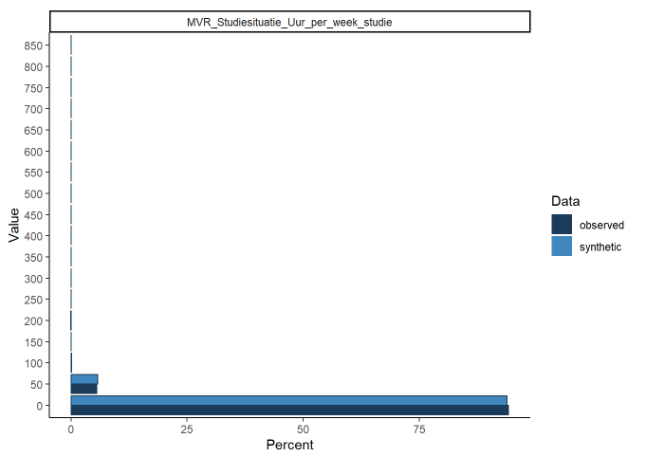
MVR_Studiesituatie_Financien_belemmering | financial_barriers | Chi-Square test | 332,881,335 | 0.1240205 | No
DEM_Geslacht | gender | Chi-Square test | 0.4335427 | 0.9796397 | No
MVR_Studiesituatie_Ouders_universiteit | parents_uni | Chi-Square test | 42,484,534 | 0.3734243 | No
SDS_type | Program_type | Chi-Square test | 30,530,048 | 0.0805879 | No
SDS_opleiding | Study_program | Chi-Square test | 9,598,513,203 | 0.0813232 | No
MVR_Studiesituatie_Omgeving_hulp | support_environment | Chi-Square test | 235,820,568 | 0.5436146 | No

